Packing Slip
Dynamite Promotions International (UK) Ltd
The Long Barn
Down Farm
Cobham Park Road
Cobham
Surrey KT11 3NE
T: 01932 881072
W: www.dynamitepromotions.co.uk
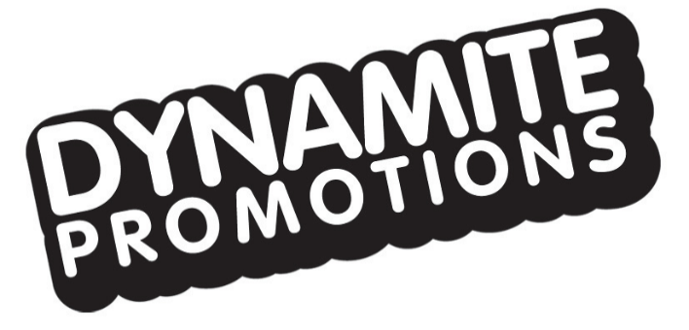

DELIVERY NOTE

Order Date: 20.06.19
Order Number:
Delivery Date:

Collected From: | Dynamite Promotions | Delivery To: | MPD WAREHOUSE/ DELTA 25
 |  |  | LEA ROAD
 |  |  | WALTHAM CROSS
 |  |  | ESSEX
 |  |  | EN9 1AS

 |  | Contact Name: | Dean Roebuck
 |  | Contact Number: | +44 1992807148

Product | Description | Unit Type | Order Quantity | Ship Quantity
Drawstring Bags | "Zombieland 2" | 1 | 670 | 670
 | 510 x with "ONLY IN CINEMAS"
 | 160 x without "ONLY IN CINEMAS"

 |  | Total | 670 | 670
Print Name: | ……………………………………………. | Date:
Signature: |  | Time:
 | ……………………………………………. | Comments

