Purchase Order
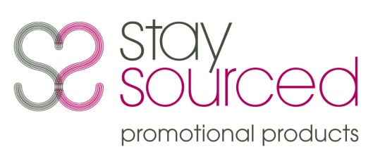 | Purchase Order

 |  |  |  | Date: | 2022-05-19
 |  |  |  | P.O. #: | 15893

Vendor | Bagco |  | Ship to | TBC

Shipping Method |  | Shipping Terms |  | Delivery Date
Courier |  |  |  | 2022-06-07

CAWSTON PRESS BAGS
ITEM CODE: B8899
Sandgate 7oz cotton bags in natural
UV print to one side
1 colour screenprint to reverse
Proof visuals to be emailed to paul@staysourced.co.uk
GOODS MUST BE DELIVERED BY 7TH JUNE AS AGREED
Qty | Item Code | Description |  | Unit Price | Line Total
1000.00 | B8899 |  |  | 2.3600 | £2,360.00
1.00 | Origination |  |  | 50.00 | £50.00
1.00 | Carriage |  |  | 46.00 | £46.00

1. Please send two copies of your invoice.
2. Enter this order in accordance with the prices, terms, delivery method, and specifications listed above.
3. Please notifiy us immediately if you are unable to ship as specified.
4. Send all correspondence to:
paul@staysourced.co.uk
 |  |  |  | Sub Total | £2,456.00
 |  |  |  | VAT | 491.20
 |  |  |  | Total | £2,947.20

 |  |  |  | Authorized by |  | Date
 |  |  |  |  |  | 2022-05-19

Stay Sourced Ltd, Suite 1&2, The Mill @ Scott Hall, 44 Potternewton Mount Leeds, LS7 2DR
 |  |  | Company no: 6614613 VAT no: 935707407

